New customer
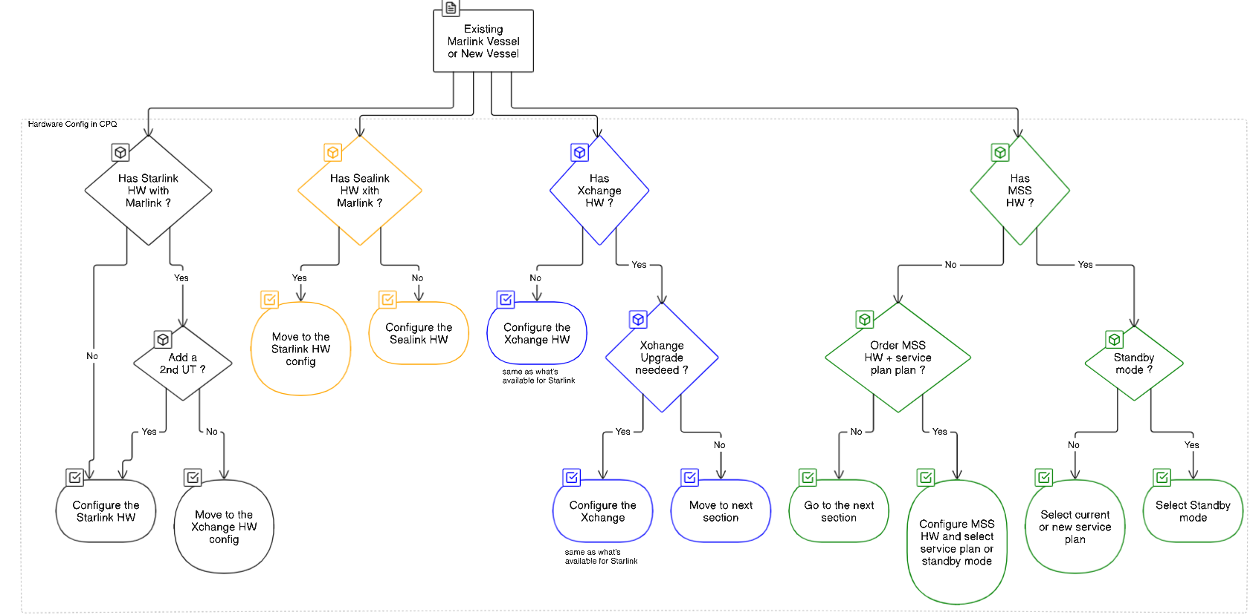

 | Not tested during installation?

New customer = new SNG customer or new MSS back up customer

